Sheet1
 | from supplement of McEwan et al publication
 | McEwan, Nicole, Rich Pawlowicz, Evgeny Pakhomov, and Maria T. Maldonado. “Seasonality of Modelled Planktonic Food Web Structure in the Strait of Georgia, Canada.” Ecological Modelling 482 (August 2023): 110402. https://doi.org/10.1016/j.ecolmodel.2023.110402.
 | digitised using online webplot digitizer since spatial weighted averaging, depth integration from raw data, and conversions is somewhat complicated

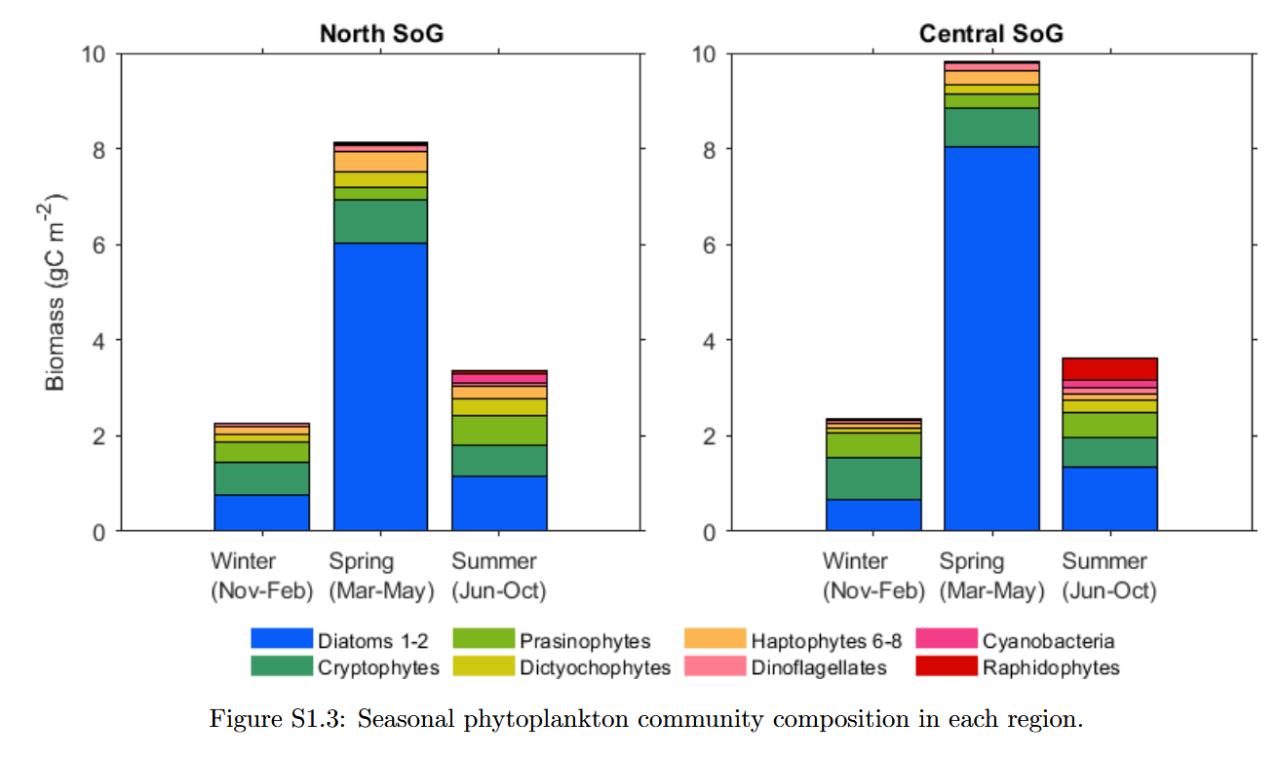

 |  |  | Central Strait of Georgia
last | remaining | 2.34 | 9.83 | 3.61
next | B_dia_nano | 2.22 | 9.64 | 2.87 | * note plot style means nano groups must be subtracted
start here | B_dia | 0.65 | 8.06 | 1.34
 |  | Winter | Spring | Summer

 |  | * note that rapidophytes include heterosigma and here were included in nano, although they are large
 |  | also tried to exclude dinoflagellates, though they are fairly negligible here. (from dia_nano)

 |  |  | derived total |  |  | average
 | other | 0.12 | 0.19 | 0.74 |  | 0.35
 | Nano | 1.57 | 1.58 | 1.53 |  | 1.56
 | Diatoms | ecoi | 8.06 | 1.34 |  | 4.7
 |  | Winter | Spring | Summer | sum | 6.61

 |  |  | Northern Strait of Georgia
last | remaining | 2.27 | 8.16 | 3.4
next | B_dia_nano | 2.15 | 7.9 | 3.06 | * note plot style means nano groups must be subtracted
start here | B_dia | 0.77 | 6.05 | 1.16
 |  | Winter | Spring | Summer

 |  | * note that rapidophytes include heterosigma and here were included in nano, although they are large
 |  | also tried to exclude dinoflagellates, though they are fairly negligible here. (from dia_nano)

 |  |  | derived average total |  |  | average |  | average of average | Since top few tiny bars are cyanobacteria or dinoflagellates, I went with the lower two bars
 | other | 0.12 | 0.26 | 0.34 |  | 0.24 | other | 0.3
 | Nano | 1.38 | 1.85 | 1.9 |  | 1.71 | nano | 1.64
 | Diatoms | 0.77 | 6.05 | 1.16 |  | 2.66 | diatoms | 3.68
 |  | Winter | Spring | Summer | sum | 4.61 | Average, all seasons NO 'other' (not phyto): | 5.315

